Title sheet
Week 3: Practice Challenge 1 - Formatting

This week we have a formidable challenge for you. Transform the Push Pin Timesheet from looking like a bunch of text and numbers to looking fabulous:
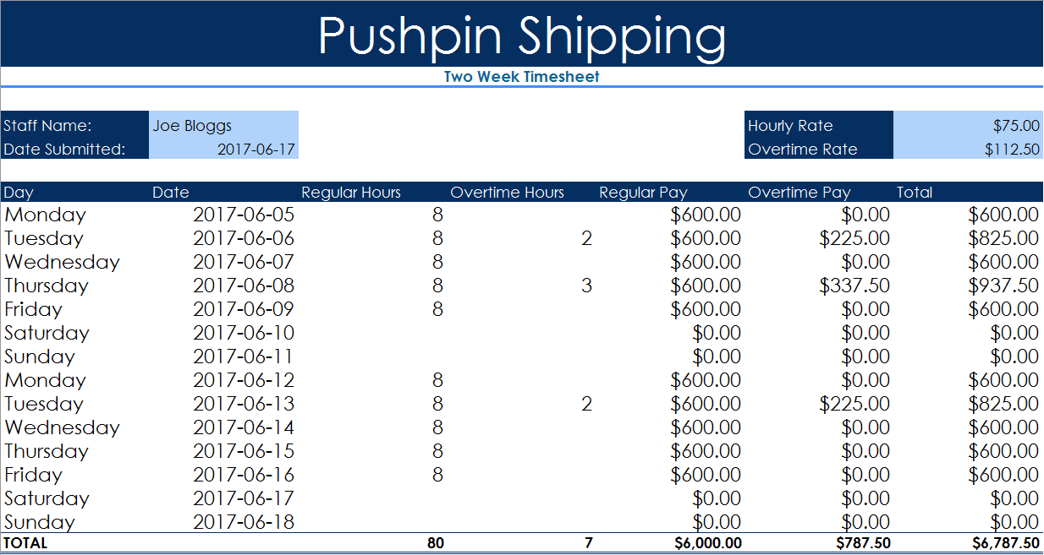

Head over to the Challenge Worksheet and get right into it. Don't worry, you can do this. We will be with you every step of the way with Nicky's excellent instructions.

Challenge
INSTRUCTIONS
* Enter your name in B4 and the current date in B5
* Overtime Rate is 50% more than Hourly rate, put a calculation in G5 to calculate Overtime Rate
* Enter the most recent Monday's Date in B8
* Use the fill handle to copy Day, Date and Regular Hours values down to row 21.
* Delete Regular Hours values for weekend dates
* In E8 enter a formula to multiply the Regular Hours by the Hourly Rate (think absolute cell ref!)
* In F8 enter a formula to multiply the Overtime Hours by the Overtime Rate
* In G8 add Regular Pay to Overtime Pay
* Use the fill handle to copy all three calculations down to row 21
* Add the totals for each column in cells D22 to G22
* Merge and Center cells A1:G1, apply the Style Accent 1 and increase the Font size to 36
* Merge and Center cells A2:G2, apply the Style Heading 4
* Apply the Style Accent 1 to cells A4:A5, F4:F5 and A7:G7 (try using Format Painter)
* Apply the Style 20% Accent 1 to cells B4:B5 and G4:G5
* Apply the Total Style to A22:G22
* Format all the monetary values as Currency
* Change the Theme to Slice (or any other of your choosing)
* Add any personal touches (e.g. You may want to go to the View Tab and untick Gridlines)
* Delete this box, Save your Workbook and Congratulate yourself!
Pushpin Shipping
Two Week Timesheet

Staff Name: |  |  |  |  | Hourly Rate | 75
Date Submitted: |  |  |  |  | Overtime Rate

Day | Date | Regular Hours | Overtime Hours | Regular Pay | Overtime Pay | Total
Monday |  | 8
Tuesday |  |  | 2
Wednesday
Thursday |  |  | 3
Friday
Saturday
Sunday
Monday
Tuesday |  |  | 2
Wednesday
Thursday
Friday
Saturday
Sunday
TOTAL

Done
INSTRUCTIONS
* Enter your name in B4 and the current date in B5
* Overtime Rate is 50% more than Hourly rate, put a calculation in G5 to calculate Overtime Rate
* Enter the most recent Monday's Date in B8
* Use the fill handle to copy Day, Date and Regular Hours values down to row 21.
* Delete Regular Hours values for weekend dates
* In E8 enter a formula to multiply the Regular Hours by the Hourly Rate (think absolute cell ref!)
* In F8 enter a formula to multiply the Overtime Hours by the Overtime Rate
* In G8 add Regular Pay to Overtime Pay
* Use the fill handle to copy all three calculations down to row 21
* Add the totals for each column in cells D22 to G22
* Merge and Center cells A1:G1, apply the Style Accent 1 and increase the Font size to 36
* Merge and Center cells A2:G2, apply the Style Heading 4
* Apply the Style Accent 1 to cells A4:A5, F4:F5 and A7:G7 (try using Format Painter)
* Apply the Style 20% Accent 1 to cells B4:B5 and G4:G5
* Apply the Total Style to A22:G22
* Format all the monetary values as Currency
* Change the Theme to Slice (or any other of your choosing)
* Add any personal touches (e.g. You may want to go to the View Tab and untick Gridlines)
* Delete this box, Save your Workbook and Congratulate yourself!
Pushpin Shipping
Two Week Timesheet

Staff Name: | Siska |  |  |  | Hourly Rate | $75.00
Date Submitted: | 2024-07-22 |  |  |  | Overtime Rate | $112.50

Day | Date | Regular Hours | Overtime Hours | Regular Pay | Overtime Pay | Total
Monday | 2024-07-22 | 8 |  | $600.00 | $0.00 | $600.00
Tuesday | 2024-07-23 | 8 | 2 | $600.00 | $225.00 | $825.00
Wednesday | 2024-07-24 | 8 |  | $600.00 | $0.00 | $600.00
Thursday | 2024-07-25 | 8 | 3 | $600.00 | $337.50 | $937.50
Friday | 2024-07-26 | 8 |  | $600.00 | $0.00 | $600.00
Saturday | 2024-07-27 |  |  | $0.00 | $0.00 | $0.00
Sunday | 2024-07-28 |  |  | $0.00 | $0.00 | $0.00
Monday | 2024-07-29 | 8 |  | $600.00 | $0.00 | $600.00
Tuesday | 2024-07-30 | 8 | 2 | $600.00 | $225.00 | $825.00
Wednesday | 2024-07-31 | 8 |  | $600.00 | $0.00 | $600.00
Thursday | 2024-08-01 | 8 |  | $600.00 | $0.00 | $600.00
Friday | 2024-08-02 | 8 |  | $600.00 | $0.00 | $600.00
Saturday | 2024-08-03 |  |  | $0.00 | $0.00 | $0.00
Sunday | 2024-08-04 |  |  | $0.00 | $0.00 | $0.00
TOTAL |  | 80 | 7 | $6,000.00 | $787.50 | $6,787.50

